CAT-A Take-off
 |  |  | ROTORCRAFT TYPE: | AS365n3+ |  |  |  | NATIONALITY/REGISTRATION MARKS: |  |  |  | RTP-3001
 |  |  | SERIAL No. |  |  | DATE OF FLIGHT: |  |  |  | FLIGHT No.
WEIGHT & BALANCE |  |  | FROM:
 |  |  | TO:
 | PASSENGER TRANSPORT |  |  |  | MASS[KG] |  |  | ARM[MM] | MASSMOEMENT[KGMM]
 | MASS EMPTY |  |  |  | 2,560.00 |  |  | 4140 | 10,598,400.0000
 | PIC/SIC [FWD] |  |  |  | 160 |  |  | 1970 | 315,200.0000
 | FRONT PAX SEATS ROW (C/D) |  |  |  | 160 |  |  | 2860 | 457,600.0000
 | FRONT PAX SEATS ROW (E/F) |  |  |  | 160 |  |  | 2860 | 457,600.0000
 | REAR PAX SEATS ROW (G/H) |  |  |  | 0 |  |  | 3800 | 0.0000
 | REAR PAX SEATS ROW (I/J) |  |  |  | 0 |  |  | 3800 | 0.0000
SUB TOTAL |  |  |  |  | 3,040.00 |  |  | 3891 | 11,828,800.0000
 | FUEL Group A |  |  |  | 350 |  |  |  | 1,085,000.0000
 | FUEL Group B |  |  |  | 350 |  |  |  | 1,590,000.0000
 | MISCELLANEOUS |  |  |  | 0 |  |  | 0 | 0.0000
GRAND TOTAL |  |  |  |  | 3,740.00 |  |  | 3878 | 14,503,800.0000

NOTE: |  | STATION ZERO[DATUM] IS AN IMAGINARY VERTICAL PLANE,PERPENDICULAR TO THE HELICOPTER CENTER LINE AND LOCATED 3.0M FORWARD OF THE LEVELING POINT.

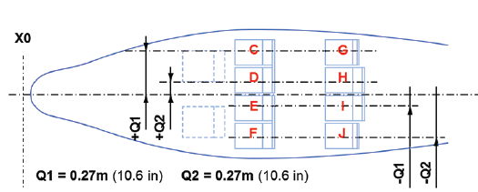 |  |  |  |  |  |  | 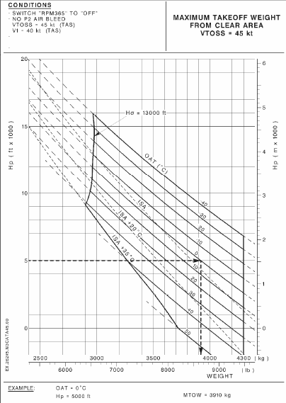
 | SUB TOTAL |  | GRAND TOTAL |  | A |  | B |  | C |  | D |  | SUB TOTAL |  | GRAND TOTAL |  | A |  | B |  | C |  | D
3936 | 3,020.00 | 3955 | 3,745.00 | 4300 | 3853 | 4300 | 3987 | 4667 | 1750 | 4337 | 2000 |  | 1 |  | 1 | 4377 | 3585 | 4544 | 3585 | 3550 | 3800 | 3550 | 4050
A
B

C
D

THE CENTER OF GRAVITY[CG] LIMITS LOCATED AT FWD/AFT OF DATUM LINE TO THIS FLIGHT: |  |  |  |  |  |  |  |  |  |  | 3878 |  | [MM]
DISPATCH DIVISION |  |  |  |  |  |  | PILOT DIVISION
[PREPARED BY] |  |  |  |  |  |  | [ACCEPTED BY]
SIGNATURE: |  |  |  |  |  |  | SIGNATURE:

NAME: |  |  |  |  |  |  | NAME:

Normal Take-off
 |  |  | ROTORCRAFT TYPE: | AS365n3+ |  |  |  | NATIONALITY/REGISTRATION MARKS: |  |  |  | RTP-3001
 | AS365N3+ |  | SERIAL No. |  |  | DATE OF FLIGHT: |  |  |  | FLIGHT No.
WEIGHT & BALANCE |  |  | FROM:
 |  |  | TO:
 | PASSENGER TRANSPORT |  |  |  | MASS[KG] |  |  | ARM[MM] | MASSMOEMENT[KGMM]
 | MASS EMPTY |  |  |  | 2,560.00 |  |  | 4140 | 10,598,400.0000
 | PIC/SIC [FWD] |  |  |  | 180 |  |  | 1970 | 354,600.0000
 | FRONT PAX SEATS ROW (C/D) |  |  |  | 70 |  |  | 2860 | 200,200.0000
 | FRONT PAX SEATS ROW (E/F) |  |  |  | 70 |  |  | 2860 | 200,200.0000
 | REAR PAX SEATS ROW (G/H) |  |  |  | 70 |  |  | 3800 | 266,000.0000
 | REAR PAX SEATS ROW (I/J) |  |  |  | 70 |  |  | 3800 | 266,000.0000
SUB TOTAL |  |  |  |  | 3,020.00 |  |  | 3936 | 11,885,400.0000
 | FUEL Group A |  |  |  | 300 |  |  |  | 935,000.0000
 | FUEL Group B |  |  |  | 425 |  |  |  | 1,990,000.0000
 | MISCELLANEOUS |  |  |  | 0 |  |  | 0 | 0.0000
GRAND TOTAL |  |  |  |  | 3,745.00 |  |  | 3955 | 14,810,400.0000

NOTE: |  | STATION ZERO[DATUM] IS AN IMAGINARY VERTICAL PLANE,PERPENDICULAR TO THE HELICOPTER CENTER LINE AND LOCATED 3.0M FORWARD OF THE LEVELING POINT.

 |  |  |  |  |  |  | 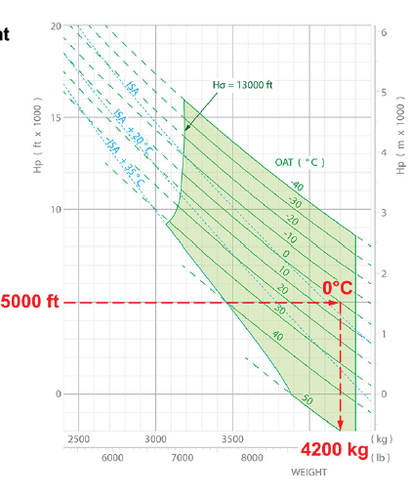
 | SUB TOTAL |  | GRAND TOTAL |  | A |  | B |  | C |  | D |  | SUB TOTAL |  | GRAND TOTAL |  | A |  | B |  | C |  | D
3936 | 3,020.00 | 3955 | 3,745.00 | 4300 | 3853 | 4300 | 3987 | 4667 | 1750 | 4337 | 2000 |  | 1 |  | 1 | 4377 | 3585 | 4544 | 3585 | 3550 | 3800 | 3550 | 4050
A
B

C
D

THE CENTER OF GRAVITY[CG] LIMITS LOCATED AT FWD/AFT OF DATUM LINE TO THIS FLIGHT: |  |  |  |  |  |  |  |  |  |  | 3955 |  | [MM]
DISPATCH DIVISION |  |  |  |  |  |  | PILOT DIVISION
[PREPARED BY] |  |  |  |  |  |  | [ACCEPTED BY]
SIGNATURE: |  |  |  |  |  |  | SIGNATURE:

NAME: |  |  |  |  |  |  | NAME:

Sheet1
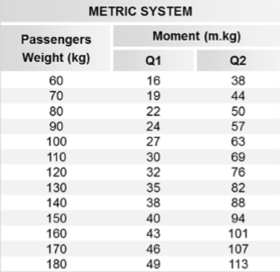
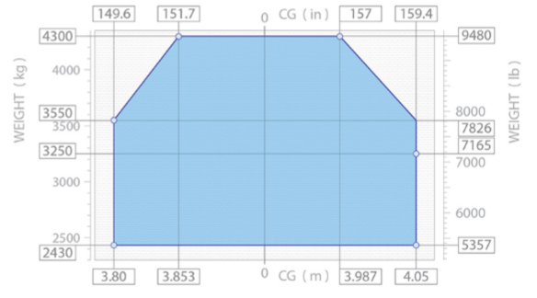

passenger |  | q1 |  | q2
60 |  | 16 |  | 38
70 |  | 19 |  | 44
80 |  | 22 |  | 50
90 |  | 24 |  | 57
100 |  | 27 |  | 63
110 |  | 30 |  | 69
120 |  | 32 |  | 76
130 |  | 35 |  | 82
140 |  | 38 |  | 88
150 |  | 40 |  | 94
160 |  | 43 |  | 101
170 |  | 46 |  | 107
180 |  | 49 |  | 113

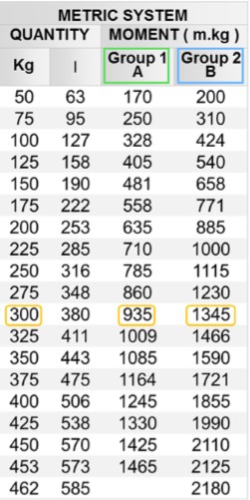

 | fuel
 | kg | litres | groupA | groupB | kg
 | 50 | 63 | 170000 | 200000
 | 75 | 95 | 250000 | 310000
 | 100 | 127 | 328000 | 424000
 | 125 | 158 | 405000 | 540000
 | 150 | 190 | 48100 | 658000
 | 175 | 222 | 558000 | 771000
 | 200 | 253 | 635000 | 885000
 | 225 | 285 | 71000 | 1000000
 | 250 | 316 | 785000 | 1115000
 | 275 | 348 | 860000 | 1230000
 | 300 | 380 | 935000 | 1345000
 | 325 | 411 | 1009000 | 1466000
 | 350 | 443 | 1085000 | 1590000
 | 375 | 475 | 1164000 | 1721000
 | 400 | 506 | 1245000 | 1855000
 | 425 | 538 | 1330000 | 1990000
 | 450 | 570 | 1425000 | 2110000
 | 453 | 573 | 1465000 | 2125000
 | 462 | 585 |  | 2180000

